Bug Reports
Bug ID: | 1
Bug name: | Inaccurate time of comment
Description: | When comment is written for a image, detail about comment is not correct. As soon as the comment is given it is written that is from "an hour ago" instead "few seconds ago" or some other. Time of the testing was not at the ending of one and the beginning of the new hour, so this can not be explained that way.
Steps to reproduce: | Click on All Galleries
 | In Search field write "Cat"
 | Click on "Filter" button
 | Click on Gallery name "CAT"
 | Scroll down to the comment field
 | In comment field insert comment (nice cat)
 | Click on "submit" button
Expected result: | Time of posting comment is "just now", or actual time
Actual result: | Time of posting comment is "an hour ago"
Environment: | Intel(R) Core(TM) i3-5005U CPU @2.00GHz 2.00 GHz / Windows 10 Pro 2004 / GoogleChrome Version 88.0.4324.190 (Official Build) (64-bit)
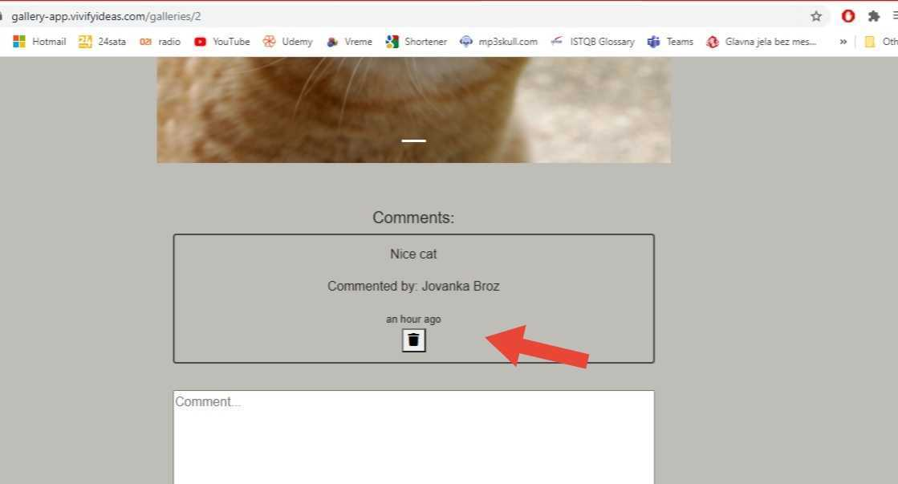
Screenshot:

Assign to: | developer no1
Repro rate: | 100%
Priority : | low
Severity: | low

Bug ID: | 2
Bug name: | Nonfunctional one step back button
Description: | After browsing galleries and entering one of them I tried to go back (using one step back button) and app set me on the home page
Steps to reproduce: | Click on All Galleries
 | In Search field write Cat
 | Click on "Filter" button (three galleries appeared)
 | Click on Gallery name "CAT"
Expected result: | Sending one step back (three galleries appeared)
Actual result: | Sending on a home page
Environment: | Intel(R) Core(TM) i3-5005U CPU @2.00GHz 2.00 GHz / Windows 10 Pro 2004 / GoogleChrom Version 88.0.4324.190 (Official Build) (64-bit)
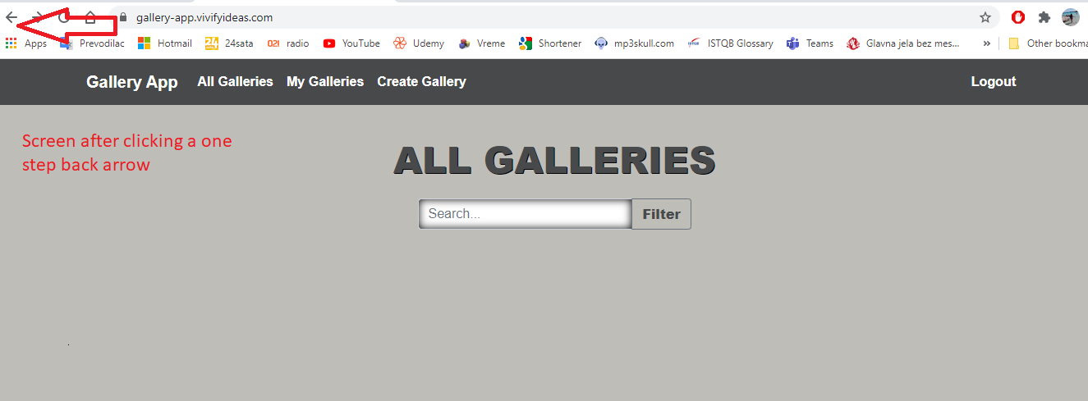
Screenshot:

Assign to: | developer no1
Repro rate: | 100%
Priority : | medium
Severity: | medium

Bug ID: | 3
Bug name: | Search does not accept Enter button
Description: | Although this can be considered more as a improvement than a bug I decided to report it. After entering a word for search if you press Enter button on a keyboard search is not started. Search is started when you click on "Filter" button
Steps to reproduce: | Click on All Galleries
 | In Search field write Cat
 | Click on "Enter" button on your keyboard
Expected result: | Results for given word can be found
Actual result: | Nothing happens
Environment: | Intel(R) Core(TM) i3-5005U CPU @2.00GHz 2.00 GHz / Windows 10 Pro 2004 / GoogleChrom Version 88.0.4324.190 (Official Build) (64-bit)
Screenshot:

Assign to: | developer no1
Repro rate: | 100%
Priority : | medium
Severity: | low

Bug ID: | 4
Bug name: | Search is not filtrating well
Description: | During search, beside galleries with the keyword, galleries which are not connected in any way with the keyword are also shown
Steps to reproduce: | Click on Search field
 | In Search field write "Test"
 | Click on "Filter" button
Expected result: | Results only for given word are displayed
Actual result: | Beside expected results with the given keyword ("Test"), galleries without selected keyword are also shown
Environment: | Intel(R) Core(TM) i3-5005U CPU @2.00GHz 2.00 GHz / Windows 10 Pro 2004 / GoogleChrom Version 88.0.4324.190 (Official Build) (64-bit)
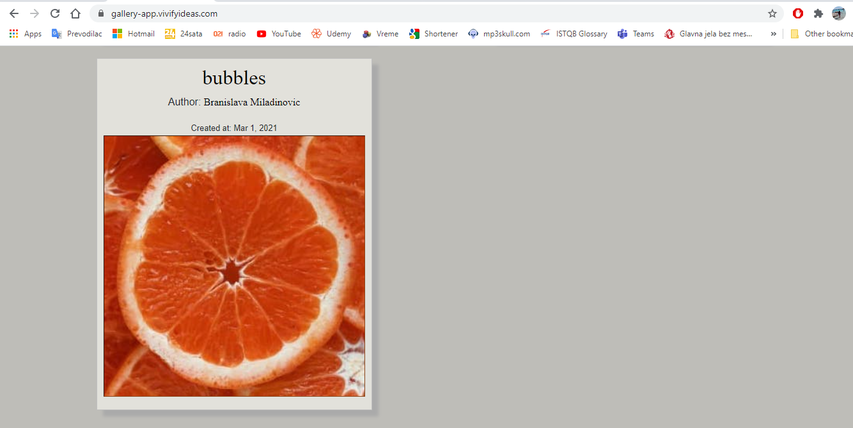
Screenshot:

Keyword was “Test”

Assign to: | developer no1
Repro rate: | 50%
Priority : | medium
Severity: | medium

